Evidences
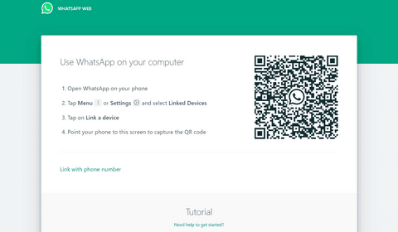
Sr. No. | Requirement ID | Scenario ID | Scenario Description | Test Case ID | Test Case Description | Expected Result | Designed by | Actual result | Status
1 | R_001 | SCE_001 | User to login whatsapp application. | SCE_001_TC_001 | Verify if User is able to login whatsapp application. | User Should be able to login whatsapp application. | Ketki M. | User is able to login instagram. | Pass

Sr. No. | Requirement ID | Scenario ID | Scenario Description | Test Case ID | Test Case Description | Expected Result | Designed by | Actual result | Status
2 | R_002 | SCE_002 | User to edit profile of application. | SCE_002_TC_002 | Verify if User is able to edit profile of application. | User Should be able to edit profile. | Ketki M. | User is able to edit profile. | Pass

Sr. No. | Requirement ID | Scenario ID | Scenario Description | Test Case ID | Test Case Description | Expected Result | Designed by | Actual result | Status
3 | R_003 | SCE_003 | User to add profile photo. | SCE_003_TC_003 | Verify if User is able to add profile photo. | User Should be able to add profile photo. | Ketki M. | User is able to add profile photo. | Pass

Sr. No. | Requirement ID | Scenario ID | Scenario Description | Test Case ID | Test Case Description | Expected Result | Designed by | Actual result | Status
4 | R_004 | SCE_004 | User to change profile photo. | SCE_004_TC_004 | Verify if User is able to change profile photo. | User Should be able to edit profile of application. | Ketki M. | User is able to edit profile of application. | Pass

Sr. No. | Requirement ID | Scenario ID | Scenario Description | Test Case ID | Test Case Description | Expected Result | Designed by | Actual result | Status
5 | R_005 | SCE_005 | User to search contacts. | SCE_005_TC_005 | Verify if User is able to search contacts. | User Should be able to search contacts. | Ketki M. | User is able to search contacts. | Pass

Sr. No. | Requirement ID | Scenario ID | Scenario Description | Test Case ID | Test Case Description | Expected Result | Designed by | Actual result | Status
6 | R_006 | SCE_006 | User to chat to individual contact. | SCE_006_TC_006 | Verify if User is able to chat to individual contact. | User Should be able to chat to individual contact. | Ketki M. | User is able tochat to individual contact. | Pass

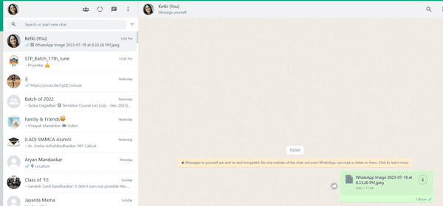

Sr. No. | Requirement ID | Scenario ID | Scenario Description | Test Case ID | Test Case Description | Expected Result | Designed by | Actual result | Status
7 | R_007 | SCE_007 | User to chat on groups. | SCE_007_TC_007 | Verify if User is able to chat on groups. | User Should be able to chat on groups. | Ketki M. | User is able to chat on groups. | Pass

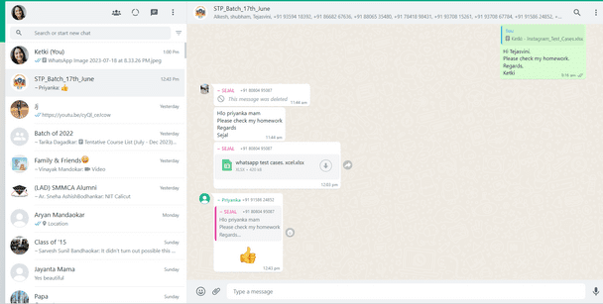

Sr. No. | Requirement ID | Scenario ID | Scenario Description | Test Case ID | Test Case Description | Expected Result | Designed by | Actual result | Status
8 | R_008 | SCE_008 | User to send emojis to chats. | SCE_008_TC_008 | Verify if User is able to send emojis to chats. | User Should be able to send emojis to chats. | Ketki M. | User is able to send emojis to chats. | Pass

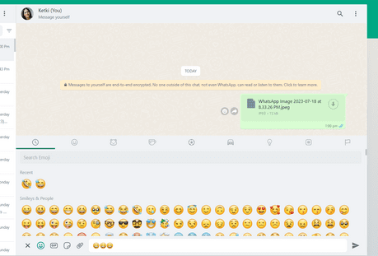

Sr. No. | Requirement ID | Scenario ID | Scenario Description | Test Case ID | Test Case Description | Expected Result | Designed by | Actual result | Status
9 | R_009 | SCE_009 | User to send GIF to chats. | SCE_009_TC_009 | Verify if User is able to send GIF to chats | User Should be able to send GIF to chats | Ketki M. | User is able to send GIF to chats | Pass

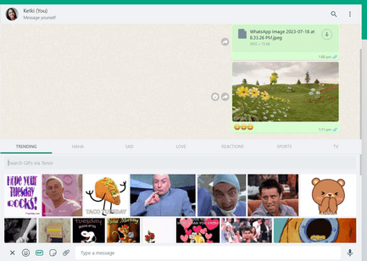

Sr. No. | Requirement ID | Scenario ID | Scenario Description | Test Case ID | Test Case Description | Expected Result | Designed by | Actual result | Status
R_010 | SCE_010 | User to send strickers to chat. | SCE_010_TC_010 | Verify if User is able to send strickers to chat. | User Should be able to send strickers to chat. | Ketki M. | User is able to send strickers to chat. | Pass | Pass

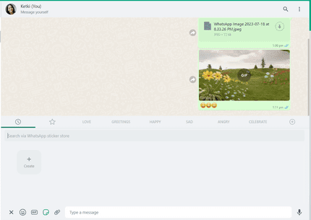

Sr. No. | Requirement ID | Scenario ID | Scenario Description | Test Case ID | Test Case Description | Expected Result | Designed by | Actual result | Status
11 | R_011 | SCE_011 | User to send photos and videos. | SCE_011_TC_011 | Verify if user is able to send photos and videos. | User Should be able to send photos and videos. | Ketki M. | User is able to send photos and videos. | Pass

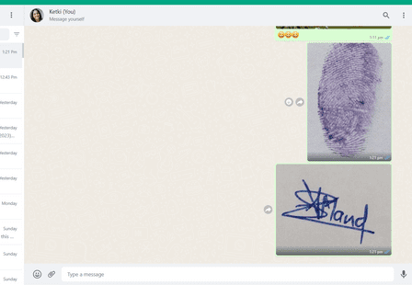

Sr. No. | Requirement ID | Scenario ID | Scenario Description | Test Case ID | Test Case Description | Expected Result | Designed by | Actual result | Status
12 | R_012 | SCE_012 | User to take a photo in chat and send it to chat. | SCE_012_TC_012 | Verify if user is able to take a photo in chat and send it to chat. | User Should be able to take a photo in chat and send it to chat. | Ketki M. | User is able to take a photo in chat and send it to chat. | Pass

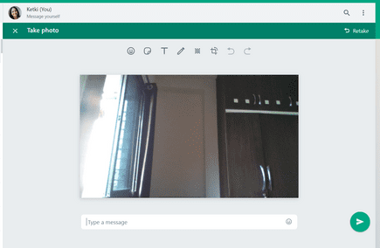

Sr. No. | Requirement ID | Scenario ID | Scenario Description | Test Case ID | Test Case Description | Expected Result | Designed by | Actual result | Status
13 | R_013 | SCE_013 | User to send documents to chat. | SCE_013_TC_013 | Verify if user is able to send documents to chat. | User Should be able to send documents to chat. | Ketki M. | User is able to send documents to chat. | Pass

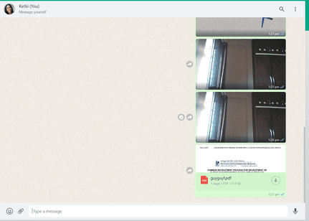

Sr. No. | Requirement ID | Scenario ID | Scenario Description | Test Case ID | Test Case Description | Expected Result | Designed by | Actual result | Status
14 | R_014 | SCE_014 | User to send audio to chat. | SCE_014_TC_014 | Verify if user is able to send audio to chat. | User Should be able to send audio to chat. | Ketki M. | User is able to send audio to chat. | Pass

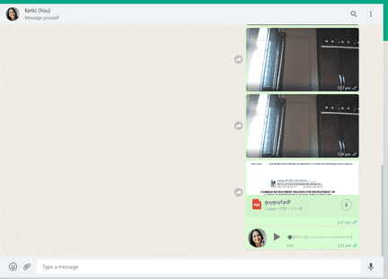

Sr. No. | Requirement ID | Scenario ID | Scenario Description | Test Case ID | Test Case Description | Expected Result | Designed by | Actual result | Status
15 | R_015 | SCE_015 | User to share contacts to chat. | SCE_015_TC_015 | Verify if user is able to share contacts to chat. | User Should be able to share contacts to chat. | Ketki M. | User is able to share contacts to chat. | Pass

Sr. No. | Requirement ID | Scenario ID | Scenario Description | Test Case ID | Test Case Description | Expected Result | Designed by | Actual result | Status
16 | R_016 | SCE_016 | User to upload the story. | SCE_016_TC_016 | Verify if user is able to upload the story. | User should be able to upload the story. | Ketki M. | User is able to upload story. | Pass

Sr. No. | Requirement ID | Scenario ID | Scenario Description | Test Case ID | Test Case Description | Expected Result | Designed by | Actual result | Status
17 | 17 | R_017 | SCE_017 | User to view contact info. | SCE_017_TC_017 | Verify if user is able to view contact info. | User should be able to view contact info. | Ketki M. | User is able to view contact info. | Pass

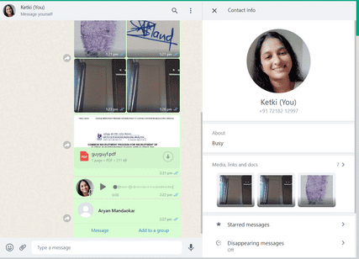

Sr. No. | Requirement ID | Scenario ID | Scenario Description | Test Case ID | Test Case Description | Expected Result | Designed by | Actual result | Status
18 | 18 | R_018 | SCE_018 | User to select option as disappearing messages. | SCE_018_TC_018 | Verify if user is able to select option as disappearing messages. | User should be able to select option as disappearing messages. | Ketki M. | User is able to select option as disappearing messages. | Pass

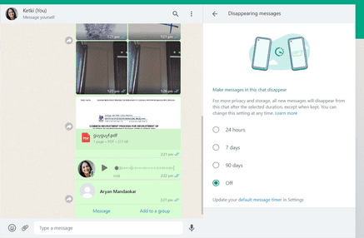

Sr. No. | Requirement ID | Scenario ID | Scenario Description | Test Case ID | Test Case Description | Expected Result | Designed by | Actual result | Status
19 | R_019 | SCE_019 | User to clear messages from chat. | SCE_019_TC_019 | Verify if user is able to clear messages from chat. | User should be able to clear messages from chat. | Ketki M. | User is able to clear messages from chat. | Pass

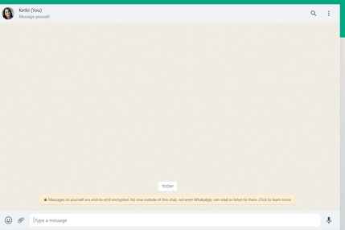

Sr. No. | Requirement ID | Scenario ID | Scenario Description | Test Case ID | Test Case Description | Expected Result | Designed by | Actual result | Status
20 | R_020 | SCE_020 | User to delete messages from chat. | SCE_020_TC_020 | Verify if user is able to delete messages from chat. | User Should be able to delete messages from chat. | Ketki M. | User is able to delete messages from chat. | Pass

Sr. No. | Requirement ID | Scenario ID | Scenario Description | Test Case ID | Test Case Description | Expected Result | Designed by | Actual result | Status
21 | R_021 | SCE_021 | User to report to any chat. | SCE_021_TC_021 | Verify if user is able to report to any chat. | User Should be able to report to any chat. | Ketki M. | User is able to report to any chat. | Pass

Sr. No. | Requirement ID | Scenario ID | Scenario Description | Test Case ID | Test Case Description | Expected Result | Designed by | Actual result | Status
22 | R_022 | SCE_022 | User to block any chat. | SCE_022_TC_022 | Verify if user is able to block any chat. | User Should be able to block any chat. | Ketki M. | User is able to block any chat. | Pass

Sr. No. | Requirement ID | Scenario ID | Scenario Description | Test Case ID | Test Case Description | Expected Result | Designed by | Actual result | Status
23 | R_023 | SCE_023 | User to unblock any chat. | SCE_023_TC_023 | Verify if user is able to unblock any chat. | User Should be able to unblock any chat. | Ketki M. | User is able to unblock any chat. | Pass

Sr. No. | Requirement ID | Scenario ID | Scenario Description | Test Case ID | Test Case Description | Expected Result | Designed by | Actual result | Status
24 | R_024 | SCE_024 | User to create new group. | SCE_024_TC_024 | Verify if user is able to create new group. | User Should be able to create new group. | Ketki M. | User is able to create new group. | Pass

Sr. No. | Requirement ID | Scenario ID | Scenario Description | Test Case ID | Test Case Description | Expected Result | Designed by | Actual result | Status
25 | R_025 | SCE_025 | User to view status. | SCE_025_TC_025 | Verify if user is able to view status. | User Should be able to view status. | Ketki M. | User is able to view status. | Pass

Sr. No. | Requirement ID | Scenario ID | Scenario Description | Test Case ID | Test Case Description | Expected Result | Designed by | Actual result | Status
26 | R_026 | SCE_026 | User to upload status. | SCE_026_TC_026 | Verify if user is able to upload status. | User Should be able to upload status. | Ketki M. | User is able to upload status. | Pass

Sr. No. | Requirement ID | Scenario ID | Scenario Description | Test Case ID | Test Case Description | Expected Result | Designed by | Actual result | Status
27 | R_027 | SCE_027 | User to go to settings. | SCE_027_TC_027 | Verify if user is able to go to settings. | User Should be able to go to settings. | Ketki M. | User is able to go to settings. | Pass

Sr. No. | Requirement ID | Scenario ID | Scenario Description | Test Case ID | Test Case Description | Expected Result | Designed by | Actual result | Status
28 | R_028 | SCE_028 | User to search settings. | SCE_028_TC_028 | Verify if user is able to search settings. | User Should be able to search settings. | Ketki M. | User is able to search settings. | Pass

Sr. No. | Requirement ID | Scenario ID | Scenario Description | Test Case ID | Test Case Description | Expected Result | Designed by | Actual result | Status
29 | R_029 | SCE_029 | User to change theme to light, dark and system default. | SCE_029_TC_029 | Verify if user is able to change theme to light, dark and system default. | User Should be able to change theme to light, dark and system default. | Ketki M. | User is able to change theme to light, dark and system default. | Pass

Sr. No. | Requirement ID | Scenario ID | Scenario Description | Test Case ID | Test Case Description | Expected Result | Designed by | Actual result | Status
30 | R_030 | SCE_030 | User to change chat wallpaper. | SCE_030_TC_030 | Verify if user is able to change chat wallpaper. | User Should be able to change chat wallpaper. | Ketki M. | User is able to change chat wallpaper. | Pass

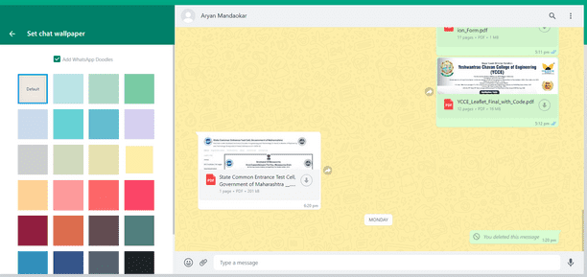

Sr. No. | Requirement ID | Scenario ID | Scenario Description | Test Case ID | Test Case Description | Expected Result | Designed by | Actual result | Status
31 | R_031 | SCE_031 | User to change setting of last seen and online. | SCE_031_TC_031 | Verify if user is able to change setting of last seen and online. | User Should be able to change setting of last seen and online. | Ketki M. | User is able to change setting of last seen and online. | Pass

Sr. No. | Requirement ID | Scenario ID | Scenario Description | Test Case ID | Test Case Description | Expected Result | Designed by | Actual result | Status
32 | R_032 | SCE_032 | User to change setting of profile photo. | SCE_032_TC_032 | Verify if user is able to change setting of profile photo. | User Should be able to change setting of profile photo. | Ketki M. | User is able to change setting of profile photo. | Pass

Sr. No. | Requirement ID | Scenario ID | Scenario Description | Test Case ID | Test Case Description | Expected Result | Designed by | Actual result | Status
33 | R_033 | SCE_033 | User to change setting of who can see my about. | SCE_033_TC_033 | Verify if user is able to change setting of who can see my about. | User Should be able to change setting of who can see my about. | Ketki M. | User is able to change setting of who can see my about. | Pass

Sr. No. | Requirement ID | Scenario ID | Scenario Description | Test Case ID | Test Case Description | Expected Result | Designed by | Actual result | Status
34 | R_034 | SCE_034 | User to turn off read receipts. | SCE_034_TC_034 | Verify if user is able to turn off read receipts. | User Should be able to turn off read receipts. | Ketki M. | User is able to turn off read receipts. | Pass

Sr. No. | Requirement ID | Scenario ID | Scenario Description | Test Case ID | Test Case Description | Expected Result | Designed by | Actual result | Status
35 | R_035 | SCE_035 | User to turn on read receipts. | SCE_035_TC_035 | Verify if user is able to turn on read receipts. | User Should be able to turn on read receipts. | Ketki M. | User is able to turn on read receipts. | Pass

Sr. No. | Requirement ID | Scenario ID | Scenario Description | Test Case ID | Test Case Description | Expected Result | Designed by | Actual result | Status
36 | R_036 | SCE_036 | User to change media-auto download. | SCE_036_TC_036 | Verify if user is able to change media-auto download. | User Should be able to change media-auto download. | Ketki M. | User is able to change media-auto download. | Pass

Sr. No. | Requirement ID | Scenario ID | Scenario Description | Test Case ID | Test Case Description | Expected Result | Designed by | Actual result | Status
37 | R_037 | SCE_037 | User to view blocked contacts. | SCE_037_TC_037 | Verify if user is able to view blocked contacts. | User Should be able to view blocked contacts. | Ketki M. | User is able to view blocked contacts. | Pass

Sr. No. | Requirement ID | Scenario ID | Scenario Description | Test Case ID | Test Case Description | Expected Result | Designed by | Actual result | Status
39 | R_039 | SCE_039 | User to forward message. | SCE_039_TC_039 | Verify if user is able to forward message. | User Should be able to forward message. | Ketki M. | User is able to forward message. | Pass

Sr. No. | Requirement ID | Scenario ID | Scenario Description | Test Case ID | Test Case Description | Expected Result | Designed by | Actual result | Status
40 | R_040 | SCE_040 | User to reply on a message. | SCE_040_TC_040 | Verify if user is able to reply on a message. | User Should be able to reply on a message. | Ketki M. | User is able to reply on a message. | Pass

Sr. No. | Requirement ID | Scenario ID | Scenario Description | Test Case ID | Test Case Description | Expected Result | Designed by | Actual result | Status
41 | R_041 | SCE_041 | User to react on a message. | SCE_041_TC_041 | Verify if user is able to react on a message. | User Should be able to react on a message. | Ketki M. | User is able to react on a message. | Pass

Sr. No. | Requirement ID | Scenario ID | Scenario Description | Test Case ID | Test Case Description | Expected Result | Designed by | Actual result | Status
42 | R_042 | SCE_042 | User to star a message. | SCE_042_TC_042 | Verify if user is able to star a message. | User Should be able to star a message. | Ketki M. | User is able to star a message. | Pass

Sr. No. | Requirement ID | Scenario ID | Scenario Description | Test Case ID | Test Case Description | Expected Result | Designed by | Actual result | Status
43 | R_043 | SCE_043 | User to unstar a message. | SCE_043_TC_043 | Verify if user is able to unstar a message. | User Should be able to unstar a message. | Ketki M. | User is able to unstar a message. | Pass

Sr. No. | Requirement ID | Scenario ID | Scenario Description | Test Case ID | Test Case Description | Expected Result | Designed by | Actual result | Status
44 | R_044 | SCE_044 | User to mute chat notification. | SCE_044_TC_044 | Verify if user is able to mute chat notification. | User Should be able to mute chat notification. | Ketki M. | User is able to mute chat notification. | Pass

Sr. No. | Requirement ID | Scenario ID | Scenario Description | Test Case ID | Test Case Description | Expected Result | Designed by | Actual result | Status
45 | R_045 | SCE_045 | User to unmute chat notification. | SCE_045_TC_045 | Verify if user is able to unmute chat notification. | User Should be able to unmute chat notification. | Ketki M. | User is able to unmute chat notification. | Pass

Sr. No. | Requirement ID | Scenario ID | Scenario Description | Test Case ID | Test Case Description | Expected Result | Designed by | Actual result | Status
45 | R_045 | SCE_045 | User to pin chat. | SCE_045_TC_045 | Verify if user is able to pin chat. | User Should be able to pin chat. | Ketki M. | User is able to pin chat. | Pass

Sr. No. | Requirement ID | Scenario ID | Scenario Description | Test Case ID | Test Case Description | Expected Result | Designed by | Actual result | Status
46 | R_046 | SCE_046 | User to unpin chat. | SCE_046_TC_046 | Verify if user is able to unpin chat. | User Should be able to unpin chat. | Ketki M. | User is able to unpin chat. | Pass

Sr. No. | Requirement ID | Scenario ID | Scenario Description | Test Case ID | Test Case Description | Expected Result | Designed by | Actual result | Status
47 | R_047 | SCE_047 | User to click mark as unread a chat. | SCE_047_TC_047 | Verify if user is able to click mark as unread a chat. | User Should be able to click mark as unread a chat. | Ketki M. | User is able to click mark as unread a chat. | Pass

Sr. No. | Requirement ID | Scenario ID | Scenario Description | Test Case ID | Test Case Description | Expected Result | Designed by | Actual result | Status
48 | R_048 | SCE_048 | User to exit group. | SCE_048_TC_048 | Verify if user is able to exit group. | User Should be able to exit group. | Ketki M. | User is able to exit group. | Pass

Sr. No. | Requirement ID | Scenario ID | Scenario Description | Test Case ID | Test Case Description | Expected Result | Designed by | Actual result | Status
49 | R_049 | SCE_049 | User to send location. | SCE_049_TC_049 | Verify if user is able to send location. | User Should be able to send location. | Ketki M. | User is able to send location. | Pass

Sr. No. | Requirement ID | Scenario ID | Scenario Description | Test Case ID | Test Case Description | Expected Result | Designed by | Actual result | Status
50 | R_050 | SCE_050 | User to logout from whatsapp application. | SCE_050_TC_050 | Verify if user is able to logout from whatsapp application. | User Should be able to logout from whatsapp application. | Ketki M. | User is able to logout from whatsapp application | Pass

